Sheet1
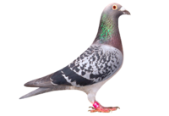
 | M.B. RACING
 | WPU - 2025-1182
 | 171 CHAUCER AVE - ORKNEY
 | CELL: '0828078119

STRAIN: TOM LOCK X SUPER BREEDER 810 X JANSEN
NAME: NO MERCY

55th Final race

SIRE
 | 12121 15 GPU
 | TOM LOCK
 | 7 X GOLD MEDALS
0107
 | 10467 16 SNWF
 | WITBEK JANSEN

DAM

 | 12158 15 GPU 12158
 | SUPERBREEDER 810
4402 | EX EGBERT O'KELLY
 | 2302 13 WPU
 | WITBEK JANSEN

