Sheet1
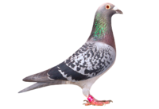
 | M.B. RACING
 | MBRAC - 2026-1
 | 171 CHAUCER AVE - ORKNEY
 | CELL: '0828078119

STRAIN: CLAUSING X SUPER BREEDER 810 X JANSEN
NAME: MISS PODIUM

55th Final race

DAM
 | 2106 13 NWPF
 | CLAUSING
 | "LUCKY BAK 1"
3747 |  | 01923 09 NWPF
CLAUSING | 2751 13 NWPF | "410 CLAUSING"
EX-WILLIE MUNNIK | Alias "173"
 | Best overal bird SRSPV
SIRE

 | 12158 15 GPU 12158
 | SUPERBREEDER 810
4401 | EX EGBERT O'KELLY
 | 2302 13 WPU
 | WITBEK JANSEN

